Model
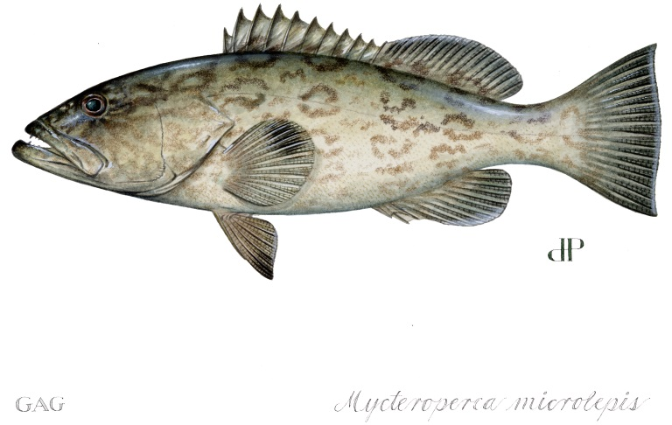
 |  |  |  |  |  |  |  |  |  |  |  |  |  |  |  |  |  |  |  |  |  |  |  |  | Jan, | Feb, | Mar, | Apr, | May, | Jun, | Jul, | Aug, | Sep, | Oct, | Nov, | Dec,
 | GULF OF MEXICO: RECREATIONAL GAG
 | Landings were determined from the catch per day data for days within a Wave when the recreational sector was open. Catch rates for Waves 1-3 (January to June) came from 2009 landings, and catch rates for Waves 4-6 (July-December) came from 2013 landings. The impact of the 20 Fathom closure came from a fisheries independent survey (SEDAR41-RD16) which recorded gag grouper catch by depth.

 |  |  |  |  |  |  |  |  |  |  |  |  |  |  |  |  |  |  |  |  |  | 1 | 1 | 1
 | *All landings are in pounds gutted weight
 |  |  |  |  |  |  |  |  |  |  |  |  |  |  |  |  |  |  |  |  |  | 1 | 1 | 1
 | MODEL INPUTS:
 |  |  |  | Jan | Feb | Mar | Apr | May | Jun | Jul | Aug | Sep | Oct | Nov | Dec |  |  |  | 4 | 4 | 4 | 1 | 1 | 1
 |  |  | Select seasonal closure: | 31 | 28 | 31 | 30 | 31 | 30 | 31 | 31 | 30 | 31 | 30 | 31 | <- max days to close |  |  |  |  |  | 1 | 1 | 1
 |  |  | Select number of days each month will be closed: |  |  | 0 | 0 | 0 | 0 | 0 | 0 | 0 | 0 | 0 | 0 | <- days closed
 |  |  | Percent of month closed: | 0% | 0% | 0% | 0% | 0% | 0% | 0% | 0% | 0% | 0% | 0% | 0% | <- pct of month closed

 |  |  | February 1st through March 31st Twenty Fathom Closure |  |  |  |  | Currently there is a closure of gag harvest for depths at or deeper then 20 fathoms in February and March

 |  |  |  | Jan | Feb | Mar | Apr | May | Jun | Jul | Aug | Sep | Oct | Nov | Dec
 |  |  | Projected Recreational Landings: | 141,562 | 97,186 | 114,526 | 144,919 | 252,425 | 244,282 | 479,058 | 479,058 | 131,356 | 135,734 | 193,394 | 199,841

 | PROJECTION RESULTS:

 |  |  |  |  | Total Projected Recreational Landings: | 2,613,341
 | Alternative 1: No Action
 | Alternative 2: Set ACL and ACT mid-way between status quo and equilibrium optimum yield. Set ACT with an 8% buffer based on ACL/ACT control rule
 | Alternative 3: Set ACL and ACT based upon equilibrium optimum yield. Set ACT with an 8% buffer based on ACL/ACT control rule.
 | Alternative 4: Set ACL and ACT based on SSC recommendations for ABC, set a constant ACL at the lowest ABC recommended by the SSC. Set ACT with an 8% buffer based on ACL/ACT control rule.
 | Alternative 5: Set ACL and ACT based on SSC recommendations for ABC. Set ACL(commercial and recreational) to equal ABC. Set ACT with an 8% buffer based on ACL/ACT control rule

 |  |  | Annual Catch Limit
 |  |  | Alt. 1 | Alt 2 | Alt 3 | Alt 4 | Alt 5 |  |  |  |  | Note: This model does not account for effort shifting that may take place during a seasonal closure, nor does it consider any changes in the average size of gag over time. Additionally, reductions in harvest from closure dates are relative to future projected landings. Actual future landings may be higher or lower than projected, resulting in harvest reductions being over- or underestimated.
 |  | Recreational ACL: | 1,903,000 | 2,320,000 | 2,720,000 | 2,790,000 | 2,900,000
 |  | Projected ACL Overage: | 710,341 | 293,341 | -106,659 | -176,659 | -286,659
 |  | ACL %Overage/Underage: | 37% | 13% | -4% | -6% | -10% | <---Red highlighting denotes projected overage.

 |  |  | Annual Catch Target
 |  |  | Alt. 1 | Alt 2 | Alt 3 | Alt 4 | Alt 5
 |  | Recreational ACT: | 1,708,000 | 2,130,000 | 2,500,000 | 2,570,000 | 2,670,000
 |  | Projected ACT Overage | 905,341 | 483,341 | 113,341 | 43,341 | -56,659
 |  | ACT %Overage/Underage: | 53% | 23% | 5% | 2% | -2% | <---Red highlighting denotes projected overage.

 | CUMULATIVE PROJECTED LANDINGS:
 | Projected Landings | Alt. 1 ACT | Alt. 2 ACT | Alt. 3 ACT | Alt. 4 ACT | Alt. 5 ACT
Jan | 0.0 | 1,708,000 | 2,130,000 | 2,500,000 | 2,570,000 | 2,670,000
Feb | 141,562.4 | 1,708,000 | 2,130,000 | 2,500,000 | 2,570,000 | 2,670,000
Mar | 238,748.1 | 1,708,000 | 2,130,000 | 2,500,000 | 2,570,000 | 2,670,000
Apr | 353,274.6 | 1,708,000 | 2,130,000 | 2,500,000 | 2,570,000 | 2,670,000
May | 498,193.6 | 1,708,000 | 2,130,000 | 2,500,000 | 2,570,000 | 2,670,000
Jun | 750,618.7 | 1,708,000 | 2,130,000 | 2,500,000 | 2,570,000 | 2,670,000
Jul | 994,900.8 | 1,708,000 | 2,130,000 | 2,500,000 | 2,570,000 | 2,670,000
Aug | 1,473,958.4 | 1,708,000 | 2,130,000 | 2,500,000 | 2,570,000 | 2,670,000
Sep | 1,953,016.0 | 1,708,000 | 2,130,000 | 2,500,000 | 2,570,000 | 2,670,000
Oct | 2,084,371.6 | 1,708,000 | 2,130,000 | 2,500,000 | 2,570,000 | 2,670,000
Nov | 2,220,105.7 | 1,708,000 | 2,130,000 | 2,500,000 | 2,570,000 | 2,670,000
Dec | 2,413,500.1 | 1,708,000 | 2,130,000 | 2,500,000 | 2,570,000 | 2,670,000
 | 2,613,341.0 | 1,708,000 | 2,130,000 | 2,500,000 | 2,570,000 | 2,670,000

 |  |  |  |  |  |  |  |  |  |  |  |  | CLOSURE PROJECTIONS (when ACT is met)
 |  |  |  |  |  |  |  |  |  |  |  |  |  | Alt. 1 | Alt. 2 | Alt. 3 | Alt. 4 | Alt. 5
 |  |  |  |  |  |  |  |  |  |  |  |  | Projected Closure Date*: | 2013-08-15 | 2013-10-10 | 2013-12-13 | 2013-12-24 | N/A
 |  |  |  |  |  |  |  |  |  |  |  |  | Days in Season: | 227 | 283 | 347 | 358 | 365
 |  |  |  |  |  |  |  |  |  |  |  |  | Cumulative landings (lbs gw)** | 1,705,760 | 2,128,157 | 2,497,304 | 2,568,216 | 2,613,341
 |  |  |  |  |  |  |  |  |  |  |  |  |  | *Projected Closure Date is the last open date in the season. Also, any open seasons that include February will be one day longer than shown for 2016 because 2016 is a leap year

 |  |  |  |  |  |  |  |  |  |  |  |  |  | **Assumes harvest stops on closure date.

 | ECONOMIC EFFECTS ESTIMATES:
$$$$$$$$$$$$$$$$$$$$$$$$$$$$$$$$$$$$$$$$$$$$$$$$$$$$$$$$$$$$$$$$$$$$$$$$$$$$$$$$$$$$$$$$$$$$$$$$$$$$$$$$$$$$$$$$$$$$$$$$$$$$$$$$$$$$$$$$$$$$$$$$$$$$$$$$$$$$$$$$$$$$$$$$$$$$$$$$$$$$$$$$$$$$$$$$$$$$$$$$$$$$$$$$$$$$$$$$$$$$$$$$$$$$$$$$$$$$$$$$$$$$$$$$$$$$$$$$$$$$$$$$$$$

 |  | CHANGE FROM STATUS QUO CONSUMER SURPLUS (2014 dollars in thousands) - Full Recreational Fishery
 |  | ACT | Jan | Feb | Mar | Apr | May | Jun | Jul | Aug | Sep | Oct | Nov | Dec | Total
 |  | Alt 1 | $2,235 | $1,534 | $1,800 | $2,278 | $3,549 | $3,435 | $0 | -$3,660 | -$1,807 | -$1,867 | -$3,075 | -$205 | $4,218
 |  | Alt 2 | $2,235 | $1,534 | $1,800 | $2,278 | $3,549 | $3,435 | $0 | $0 | $0 | -$1,265 | -$3,075 | -$205 | $10,287
 |  | Alt 3 | $2,235 | $1,534 | $1,800 | $2,278 | $3,549 | $3,435 | $0 | $0 | $0 | $0 | $0 | $1,127 | $15,959
 |  | Alt 4 | $2,235 | $1,534 | $1,800 | $2,278 | $3,549 | $3,435 | $0 | $0 | $0 | $0 | $0 | $2,255 | $17,086
 |  | Alt 5 | $2,235 | $1,534 | $1,800 | $2,278 | $3,549 | $3,435 | $0 | $0 | $0 | $0 | $0 | $2,972 | $17,803
 |  | Note 1: This model implicitly assumes that gag will be landed in addition to other species on a trip, including other types of grouper, and that the proposed action will have no effect on the number of recreational trips that would be expected to occur under the status quo.

 |  | Note 2: For a breakdown by mode, see Economics tab (begins in cell AH37)

Pct Landings by Month
Gulf Gag Landings by Month
1 | 5%
2 | 5%
3 | 6%
4 | 5%
5 | 9%
6 | 9%
7 | 18%
8 | 18%
9 | 5%
10 | 5%
11 | 7%
12 | 7%

